Rat Tubule Count
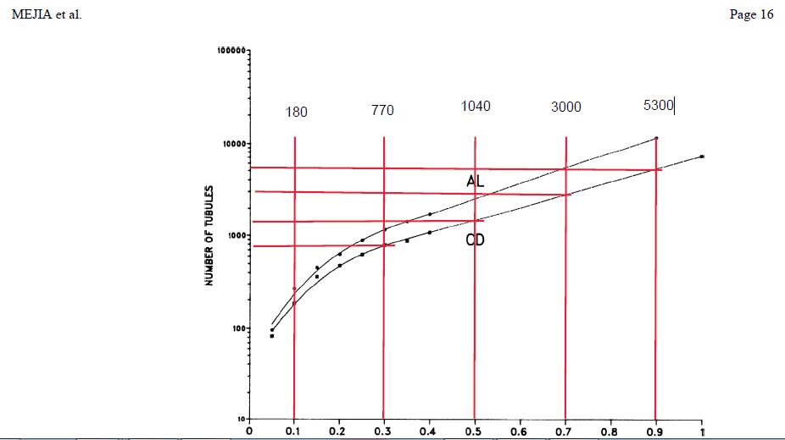
Rat tubule counts (single kidney)

Segment /Cell type | Tubule Count | Explanation
S1 (45 percent of total) | 38000 | Total nephrons in rat kidney. A variety of source give value around 38000 (Blurb 1).
S2 (45 percent of total) | 38000 | Value is same for S2 and S3 because proximal tubule is unbranched
S3 | 38000 | Value is same for S2 and S3 because proximal tubule is unbranched
tDL - type 1 | 26980 | Number of short looped nephrons = 0.71 x 38000 = 26980 (percent long loop from Sperber)
tDL - type 2 | 11020 | Number of long looped nephrons = 0.29 x 38000 = 11020
tDL - type 3 | 11020 | Number of long looped nephrons = 0.29 x 38000 = 11021
tAL | 11020 | Number of long looped nephrons = 0.29 x 38000 = 11022
MTAL | 38000 | Total nephrons in rat kidney. A variety of source give value around 38000 (Blurb 1).
CTAL | 38000 | Total nephrons in rat kidney. A variety of source give value around 38000 (Blurb 1).
DCT | 38000 | Total nephrons in rat kidney. A variety of source give value around 38000 (Blurb 1).
CNT Cell | 6333 | An average of 6 nephron converge to 1 collecting duct in arcade segment pmid604620
CNT A-IC | 6333 | An average of 6 nephron converge to 1 collecting duct in arcade segment pmid604621
CNT B-IC | 6333 | An average of 6 nephron converge to 1 collecting duct in arcade segment pmid604622
CCD PC | 6333 | CCD and OMCD are unbranched
CCD B-IC | 6333 | CCD and OMCD are unbranched
CCD A-IC | 6333 | CCD and OMCD are unbranched
OMCD - PC | 6333 | CCD and OMCD are unbranched
OMCD - A-IC | 6333 | CCD and OMCD are unbranched
OMCD - B-IC | 6333 | CCD and OMCD are unbranched
IMCD | var | IMCD shows reduced number toward papillary tip due to dichotomous convergemces. Calculated as total length in medulla (Blurb 2).

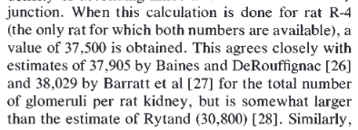
Blurb 1 from Knepper et al.
pmid 604620

Blurb 2 PMID 2532476
Estimation of total length of IMCD | Calculated using trapezoidal rule as below. Total integrated value 10290 mm of IMCD
10290 | mm IMCD

Rat Length per Tubule
Segment /Cell type | Tubule Count | Length per Tubule | Explanation
S1 (45 percent of total) | 38000 | 4.545 | Used values from Sperber (Blurb 2) assuming first 45 percent of proximal tubule is S1
S2 (45 percent of total) | 38000 | 4.545 | Used values from Sperber (Blurb 2) assuming second 45 percent of proximal tubule is S2
S3 | 38000 | 1.01 | Used values from Sperber (Blurb 2) assuming last 10 percent (1 mm) is S3.
tDL - type 1 | 26980 | 1.5 | Thickness of inner stripe of outer medulla (Blurb 1)
tDL - type 2 | 11020 | 2 | tDL -type 2 2.0 mm (thickness of inner stripe of OM plus 0.5 mm of inner medulla)
tDL - type 3 | 11020 | variable | tDL - type 3 (varies with loop length, see treatment of loop lengths below)
tAL | 11020 | variable | tAL (varies with loop length, see treatment of loop lengths below)
MTAL | 38000 | 1.5 | based on thickness of inner stripe of outer medulla (blurb 1)
CTAL | 38000 | 1.7 | half of cortical thickness plus thickness of outer stripe of outer medulla (blurb 1). Note the MTAL CTAL transition occurs at inner outer stripe boundary based on Knepper isolated perfused tubule studies.
DCT | 38000 | 1.4 | Based on Sperber (Blurb 2)
CNT Cell | 6333 | 4.2 | Total CNT length includes full arcade structure consisting of 6 tributaries (0.5 mm each) and one central segment (1.2 mm). Based on observations from microdissections in rats
CNT A-IC | 6333 | 4.2 | Total CNT length includes full arcade structure consisting of 6 tributaries (0.5 mm each) and one central segment (1.2 mm). Based on observations from microdissections in rats
CNT B-IC | 6333 | 4.2 | Total CNT length includes full arcade structure consisting of 6 tributaries (0.5 mm each) and one central segment (1.2 mm). Based on observations from microdissections in rats
CCD PC | 6333 | 2.2 | CCDs span virtually the entire width of the cortex (blurb 1)
CCD B-IC | 6333 | 2.2 | CCDs span virtually the entire width of the cortex (blurb 1)
CCD A-IC | 6333 | 2.2 | CCDs span virtually the entire width of the cortex (blurb 1)
OMCD - PC | 6333 | 2.1 | OMCDs span virtually the entire thickness of the outer medulla (Blurb 1)
OMCD - A-IC | 6333 | 2.1 | OMCDs span virtually the entire thickness of the outer medulla (Blurb 1)
OMCD - B-IC | 6333 | 2.1 | OMCDs span virtually the entire thickness of the outer medulla (Blurb 1)
IMCD | var | var | See blurb 4

Blurb 1 Thickness of zones of rat kidney
The inner medulla was found to be 4.7 mm in length (Knepper et al. 604620)
The inner stripe of the outer medulla was found to be 1.5 mm in thickness (ibid)
The outer stripe of the outer medulla was found to be 0.6 mm in thickness (ibid)
The thickness of the cortex is 2.2 mm (Knepper et al. 12556362)

Blurb 2 Sperber Tubule Lengths

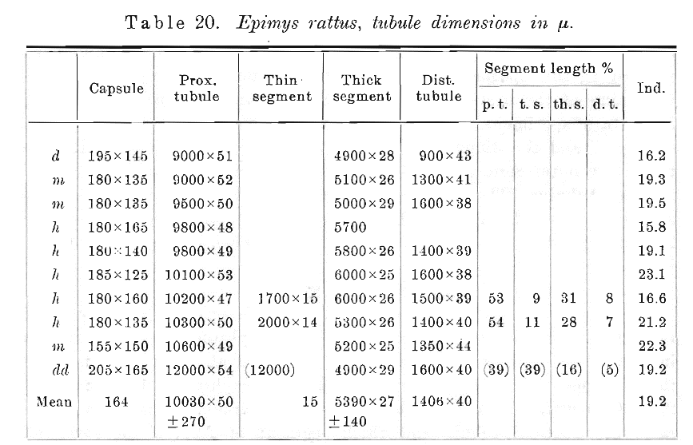

Blurb 3 total length of tDL and tAL

We use quantitative data reported in Mejia et al. (below). To do this we apply the trapezoidal rule with 5 1mm spatial chops.

Length of tAL = 220+1200+2400+6000+10200 = 20020 |  |  | 20020
Length of type 3 tDL = 20020-0.5*11020 |  |  | 14510

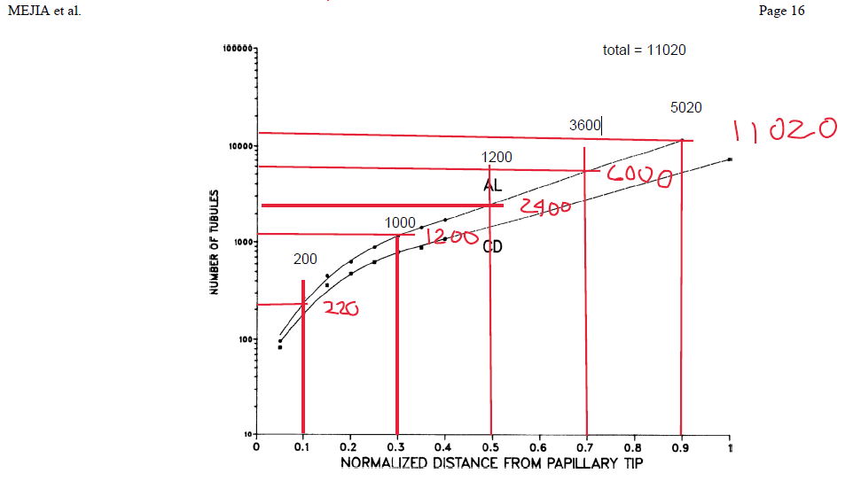

Blurb 4. Estimation of total length of IMCD using Knepper Mejia data and trapezoidal rule
10290 | mm IMCD |  | 180+770+1040+3000+5300 | 10290

Cell count density
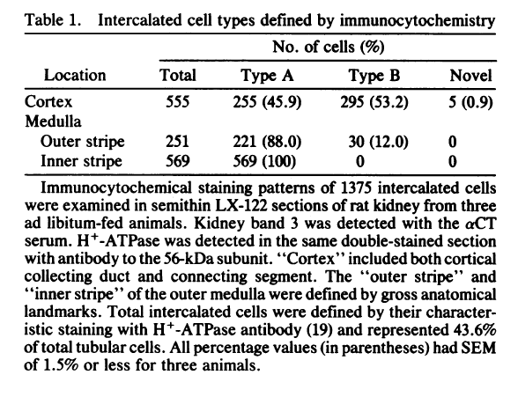
Segment /Cell type | Tubule Count | Length per Tubule (mm) | Total Length per Kidney (mm) | Density (cells/mm) | Explanation
S1 (45 percent of total) | 38000 | 4.545 | 172710 | 280 | Blurb 5 Garg et al. nuclear counting
S2 (45 percent of total) | 38000 | 4.545 | 172710 | 280 | Blurb 5 Garg et al. nuclear counting
S3 | 38000 | 1.01 | 38380 | 280 | Blurb 5 Garg et al. nuclear counting
tDL - type 1 | 26980 | 1.5 | 40470 | 100 | estimated from images reviewed in 7018270 …
tDL - type 2 | 11020 | 2 | 22040 | 150 | estimated from images reviewed in 7018270 …
tDL - type 3 | 11020 | variable | 14510 | 125 | estimated from images reviewed in 7018270 …
tAL | 11020 | variable | 20020 | 150 | estimated from images reviewed in 7018270 …
MTAL | 38000 | 1.5 | 57000 | 311 | Blurb 5 Garg et al. nuclear counting
CTAL | 38000 | 1.7 | 64600 | 275 | Blurb 5 Garg et al. nuclear counting
DCT | 38000 | 1.4 | 53200 | 374 | Blurb 5 Garg et al. nuclear counting
CNT Cell | 6333 | 4.2 | 26599 | 262.8 | CNT Cell 0.6 x 438 from Garg et al. (Blurb 5) plus personal communication D. Brown
CNT A-IC | 6333 | 4.2 | 26599 | 43.8 | CNT A-IC 0.1 x 438 from Garg et al. (Blurb 5) plus personal communication D. Brown
CNT B-IC | 6333 | 4.2 | 26599 | 131.4 | CNT B-IC 0.3 x 438 from Garg et al. (Blurb 5) plus personal communication D. Brown
CCD PC | 6333 | 2.2 | 13933 | 298.12 | Blurb 6 Lee et al
CCD B-IC | 6333 | 2.2 | 13933 | 113.08 | Blurb 6 Lee et al
CCD A-IC | 6333 | 2.2 | 13933 | 102.8 | Blurb 6 Lee et al
OMCD - PC | 6333 | 2.1 | 13299 | 300 | OMCD - PC 0.6 x 504 from Garg et al.
OMCD - A-IC | 6333 | 2.1 | 13299 | 188 | OMCD - A-IC 500X0.4x0.94 from Alper/Brown blurb 7
OMCD - B-IC | 6333 | 2.1 | 13299 | 12 | OMCD - B-IC 500X0.4x0.06 from Alper/Brown blurb 7
IMCD | var | var | 10290 | 500 | extrapolated from Garg et al. Blurb 5

Blurb 1 Thickness of zones of rat kidney
The inner medulla was found to be 4.7 mm in length (Knepper et al. 604620)
The inner stripe of the outer medulla was found to be 1.5 mm in thickness (ibid)
The outer stripe of the outer medulla was found to be 0.6 mm in thickness (ibid)
The thickness of the cortex is 2.2 mm (Knepper et al. 12556362)

Blurb 2 Sperber Tubule Lengths

Blurb 3 total length of tDL and tAL

We use quantitative data reported in Mejia et al. (below). To do this we apply the trapezoidal rule with 5 1mm spatial chops.
 |  |  |  |  |  | 14510
Length of tAL = 220+1200+2400+6000+10200 = 20020 |  |  |  | 20020 |  | 20020
Length of type 3 tDL = 20020-0.5*11020 |  |  |  | 14510 |  | 14510

Blurb 4. Estimation of total length of IMCD using Knepper Mejia data and trapezoidal rule
10290 | mm IMCD |  |  | 180+770+1040+3000+5300 | 10290

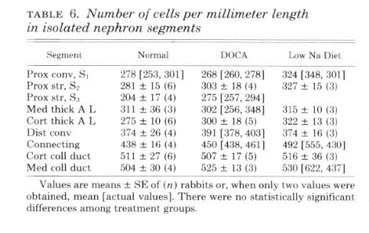
Blurb 5 cell counts per unit length from Garg et al. PMID 6264796
 |  |  |  |  | CNT Cell 0.6 x 438 from Garg et al.
 |  |  |  |  | CNT A-IC 0.1 x 438
 |  |  |  |  | CNT B-IC 0.3 x 438
 |  |  |  |  | CCD PC (from Chou in Ecelbarger paper) | 298.12
 |  |  |  |  | CCD B-IC (from Chou in Ecelbarger paper) | 113.08
 |  |  |  |  | CCD A-IC (from Chou in Ecelbarger paper) | 102.8
 |  |  |  |  | OMCD - PC 0.6 x 504 from Garg et al. | 300
 |  |  |  |  | OMCD - A-IC 500X0.4x0.94 from Alper/Brown | 188
 |  |  |  |  | OMCD - B-IC 500X0.4x0.06 from Alper/Brown | 12
 |  |  |  |  | IMCD | 500

Blurb 6. Cell counts in microdissected CCDs Lee et al PMID 28843412

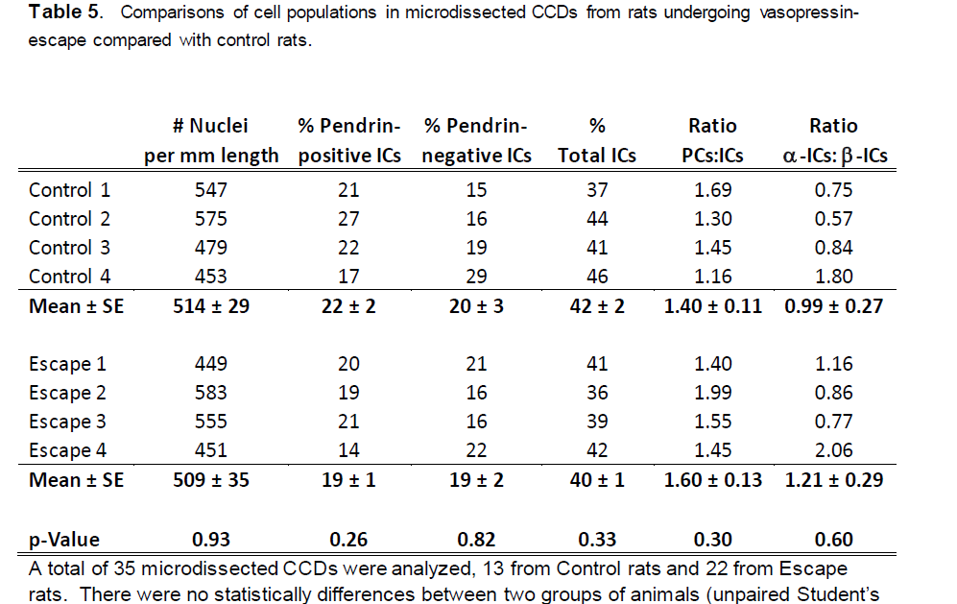

Blurb 7. Cell counts in collecting ducts
Alper SL, Natale J, Gluck S, Lodish HF, Brown D. Subtypes of intercalated
cells in rat kidney collecting duct defined by antibodies against erythroid band
3 and renal vacuolar H+-ATPase. Proc Natl Acad Sci U S A. 1989
Jul;86(14):5429-33. PubMed PMID: 2526338; PubMed Central PMCID: PMC297636.

Protein mass per mm length
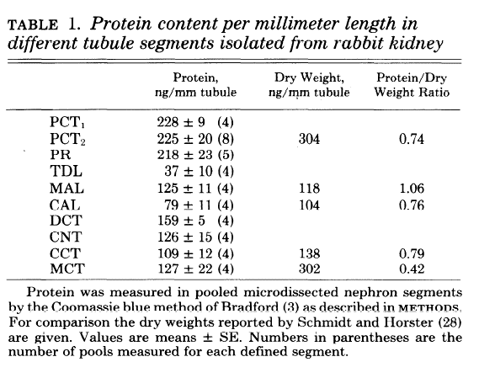
Segment /Cell type | Tubule Count | Length per Tubule (mm) | Total Length per Kidney (mm) | Density (cells/mm) | Total Cells per Kidney | Fraction of Total Cells | Percent of Total Cells | Protein mass, ng/mm | Explanation
S1 (45 percent of total) | 38000 | 4.545 | 172710 | 280 | 48358800 | 0.23517529333 | 23.52 | 191.25 | From Blurb 8 Vandewalle et al.
S2 (45 percent of total) | 38000 | 4.545 | 172710 | 280 | 48358800 | 0.23517529333 | 23.52 | 191.25 | From Blurb 8 Vandewalle et al.
S3 | 38000 | 1.01 | 38380 | 280 | 10746400 | 0.052261176296 | 5.23 | 191.25 | From Blurb 8 Vandewalle et al.
tDL - type 1 | 26980 | 1.5 | 40470 | 100 | 4047000 | 0.019681100692 | 1.97 | 37 | From Blurb 8 Vandewalle et al.
tDL - type 2 | 11020 | 2 | 22040 | 150 | 3306000 | 0.016077518875 | 1.61 | 37 | From Blurb 8 Vandewalle et al.
tDL - type 3 | 11020 | variable | 14510 | 125 | 1813750 | 0.0088205081244 | 0.88 | 37 | From Blurb 8 Vandewalle et al.
tAL | 11020 | variable | 20020 | 150 | 3003000 | 0.014603989468 | 1.46 | 37 | From Blurb 8 Vandewalle et al.
MTAL | 38000 | 1.5 | 57000 | 311 | 17727000 | 0.086208765001 | 8.62 | 125 | From Blurb 8 Vandewalle et al.
CTAL | 38000 | 1.7 | 64600 | 275 | 17765000 | 0.086393564069 | 8.64 | 79 | From Blurb 8 Vandewalle et al.
DCT | 38000 | 1.4 | 53200 | 374 | 19896800 | 0.096760791757 | 9.68 | 159 | From Blurb 8 Vandewalle et al.
CNT Cell | 6333 | 4.2 | 26599 | 262.8 | 6990112 | 0.033993847218 | 3.40 | 75.6 | From Blurb 8 Vandewalle et al. apportioned to individual cell types
CNT A-IC | 6333 | 4.2 | 26599 | 43.8 | 1165019 | 0.005665641203 | 0.57 | 12.6 | From Blurb 8 Vandewalle et al. apportioned to individual cell types
CNT B-IC | 6333 | 4.2 | 26599 | 131.4 | 3495056 | 0.016996923609 | 1.70 | 37.8 | From Blurb 8 Vandewalle et al. apportioned to individual cell types
CCD PC | 6333 | 2.2 | 13933 | 298.12 | 4153587 | 0.020199446086 | 2.02 | 63.22 | From Blurb 8 Vandewalle et al. apportioned to individual cell types
CCD B-IC | 6333 | 2.2 | 13933 | 113.08 | 1575498 | 0.0076618588602 | 0.77 | 23.98 | From Blurb 8 Vandewalle et al. apportioned to individual cell types
CCD A-IC | 6333 | 2.2 | 13933 | 102.8 | 1432271 | 0.0069653262366 | 0.70 | 21.8 | From Blurb 8 Vandewalle et al. apportioned to individual cell types
OMCD - PC | 6333 | 2.1 | 13299 | 300 | 3989790 | 0.019402880832 | 1.94 | 76.2 | From Blurb 8 Vandewalle et al. apportioned to individual cell types
OMCD - A-IC | 6333 | 2.1 | 13299 | 188 | 2500268 | 0.012159138655 | 1.22 | 47.752 | From Blurb 8 Vandewalle et al. apportioned to individual cell types
OMCD - B-IC | 6333 | 2.1 | 13299 | 12 | 159592 | 0.00077611523329 | 0.08 | 3.048 | From Blurb 8 Vandewalle et al. apportioned to individual cell types
IMCD | var | var | 10290 | 500 | 5145000 | 0.025020821116 | 2.50 | 150 | Extrapolated From Blurb 8 Vandewalle et al.

total |  |  | 719761 |  | 205628743
Blurb 1 Thickness of zones of rat kidney |  |  |  |  | 205628743
The inner medulla was found to be 4.7 mm in length (Knepper et al. 604620)
The inner stripe of the outer medulla was found to be 1.5 mm in thickness (ibid)
The outer stripe of the outer medulla was found to be 0.6 mm in thickness (ibid)
The thickness of the cortex is 2.2 mm (Knepper et al. 12556362)

Blurb 2 Sperber Tubule Lengths

Blurb 3 total length of tDL and tAL

We use quantitative data reported in Mejia et al. (below). To do this we apply the trapezoidal rule with 5 1mm spatial chops.
 |  |  |  |  |  | 14510
Length of tAL = 220+1200+2400+6000+10200 = 20020 |  |  |  | 20020 |  | 20020
Length of type 3 tDL = 20020-0.5*11020 |  |  |  | 14510 |  | 14510

Blurb 4. Estimation of total length of IMCD using Knepper Mejia data and trapezoidal rule
10290 | mm IMCD |  |  | 180+770+1040+3000+5300 | 10290

Blurb 5 cell counts per unit length from Garg et al. PMID 6264796
 |  |  |  |  | CNT Cell 0.6 x 438 from Garg et al.
 |  |  |  |  | CNT A-IC 0.1 x 438
 |  |  |  |  | CNT B-IC 0.3 x 438
 |  |  |  |  | CCD PC (from Chou in Ecelbarger paper) | 298.12
 |  |  |  |  | CCD B-IC (from Chou in Ecelbarger paper) | 113.08
 |  |  |  |  | CCD A-IC (from Chou in Ecelbarger paper) | 102.8
 |  |  |  |  | OMCD - PC 0.6 x 504 from Garg et al. | 300
 |  |  |  |  | OMCD - A-IC 500X0.4x0.94 from Alper/Brown | 188
 |  |  |  |  | OMCD - B-IC 500X0.4x0.06 from Alper/Brown | 12
 |  |  |  |  | IMCD | 500

Blurb 6. Cell counts in microdissected CCDs Lee et al PMID 28843412

Blurb 7. Cell counts in collecting ducts
Alper SL, Natale J, Gluck S, Lodish HF, Brown D. Subtypes of intercalated
cells in rat kidney collecting duct defined by antibodies against erythroid band
3 and renal vacuolar H+-ATPase. Proc Natl Acad Sci U S A. 1989
Jul;86(14):5429-33. PubMed PMID: 2526338; PubMed Central PMCID: PMC297636.

Blurb 8. Protein content of tubule segments from Vandewalle et al PMID 7246739

podocytes
Glomerular morphometrics from Wiggins
Nishizono R, Kikuchi M, Wang SQ, Chowdhury M, Nair V, Hartman J, Fukuda A,
Wickman L, Hodgin JB, Bitzer M, Naik A, Wiggins J, Kretzler M, Wiggins RC. FSGS
as an Adaptive Response to Growth-Induced Podocyte Stress. J Am Soc Nephrol. 2017
Jul 18. pii: ASN.2017020174. doi: 10.1681/ASN.2017020174. [Epub ahead of print]
PubMed PMID: 28720684.

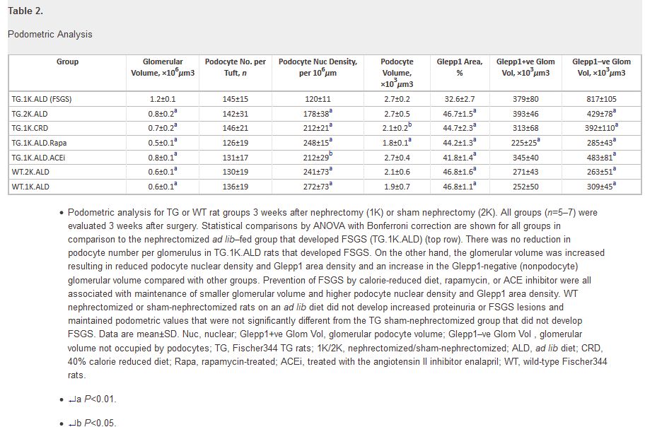

estimated podocyte mass per cell pg/cell
 | value
radius of a podocyte if a sphere in microns | 7.6690713275
volume of a podocyte in microns cubed | 1900
proximal tubule cell height in microns | 10
proximal tubule cross sectional area assuming OD 46 ID 26 in microns squared | 1130.4
proximal tubule volume cell microns cubed | 4037.1428571
proximal tubule cell mass pg/cell | 683
estimated podocyte mass per cell pg/cell | 321.44019816

